Sheet1
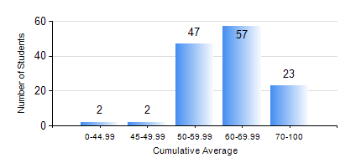
 |  |  | KWAME NKRUMAH UNIVERSITY OF SCIENCE AND TECHNOLOGY, KUMASI Department of Materials Engineering

 |  |  | BSC. MATERIALS ENG.

 |  |  | COMPREHENSIVE RECORD OF EXAMINATION RESULTS

 |  |  | RESULTS OF YEAR 2 SECOND SEMESTER, 2020/2021 ACADEMIC YEAR

 | Sn | Course Code |  | Course Name | Credit Hours | Min. Mark | Max. Mark | Avg. Mark | Std. Dev. | No. Passed | No. Trailed | No. (Df) | No. (I) | No. (I*) | No. Tagged(I,I*,Df) | Total
 | 0. |  |  |  |  |  |  | 0 | 0 | 0 | 0 | 0 | 0 | 0 | 0 | 8
 | 1. | MATH 252 |  | CALCULUS WITH SEVERAL VARIABLES | 4 | 23 | 82 | 61 | 8.42 | 122 | 1 | 0 | 0 | 0 | 0 | 123
 | 2. | MSE 252 |  | HEAT AND MASS TRANSPORT | 3 | 30 | 88 | 60 | 12.78 | 121 | 2 | 0 | 0 | 0 | 0 | 123
 | 3. | MSE 254 |  | MATERIALS PROCESSING | 3 | 22 | 90 | 65 | 12.52 | 120 | 3 | 0 | 0 | 0 | 0 | 123
 | 4. | MSE 256 |  | ENVIRONMENTAL SCIENCE | 2 | 46 | 85 | 65 | 8.63 | 123 | 0 | 0 | 0 | 0 | 0 | 123
 | 5. | MSE 258 |  | PHYSICAL METALLURGY OF NON-FERROUS METALS | 2 | 30 | 86 | 64 | 10.85 | 121 | 2 | 0 | 0 | 0 | 0 | 123
 | 6. | MSE 260 |  | PHASE TRANSFORMATIONS | 2 | 31 | 93 | 58 | 14.09 | 107 | 5 | 11 | 0 | 0 | 11 | 123
 | 7. | MSE 262 |  | COMPUTER PROGRAMMING AND APPLICATIONS | 2 | 23 | 82 | 59 | 10.64 | 119 | 4 | 0 | 0 | 0 | 0 | 123

